X3.1
X3.1

 | Normal curve
-3 | 0.00088636968239
-2.9393939394 | 0.0010611576851
-2.8787878788 | 0.0012657552857
-2.8181818182 | 0.0015042650697
-2.7575757576 | 0.0017811635027
-2.696969697 | 0.0021012997044
-2.6363636364 | 0.0024698865583
-2.5757575758 | 0.0028924829595
-2.5151515152 | 0.0033749660373
-2.4545454545 | 0.0039234922571
-2.3939393939 | 0.004544446429
-2.3333333333 | 0.0052443778187
-2.2727272727 | 0.0060299227834
-2.2121212121 | 0.0069077136313
-2.1515151515 | 0.0078842737408
-2.0909090909 | 0.0089658993517
-2.0303030303 | 0.010158528875
-1.9696969697 | 0.011467601025
-1.9090909091 | 0.012897903564
-1.8484848485 | 0.014453414956
-1.7878787879 | 0.016137141705
-1.7272727273 | 0.017950954628
-1.6666666667 | 0.019895427759
-1.6060606061 | 0.021969683893
-1.5454545455 | 0.024171251134
-1.4848484848 | 0.026495934917
-1.4242424242 | 0.028937710087
-1.3636363636 | 0.031488637524
-1.303030303 | 0.034138809582
-1.2424242424 | 0.036876328247
-1.1818181818 | 0.039687319393
-1.1212121212 | 0.042555985842
-1.0606060606 | 0.045464701126
-1 | 0.048394144904
-0.93939393939 | 0.051323479969
-0.87878787879 | 0.054230569664
-0.81818181818 | 0.05709223338
-0.75757575758 | 0.059884536654
-0.69696969697 | 0.062583111296
-0.63636363636 | 0.065163499888
-0.57575757576 | 0.067601518129
-0.51515151515 | 0.069873627675
-0.45454545455 | 0.071957311563
-0.39393939394 | 0.073831443924
-0.33333333333 | 0.075476645539
-0.27272727273 | 0.076875616891
-0.21212121212 | 0.07801344074
-0.15151515152 | 0.078877846801
-0.090909090909 | 0.079459431986
-0.030303030303 | 0.079751830671
...
X is normal with population mean = 100 and variance = 25
f(x)
 | mu = | 100
 | variance = | 25
 | sigma = | 5 | =SQRT(C6)

 | (a) P(X < = 95) = | 0.15865525393 | =NORM.DIST(95,C5,C7,TRUE)
 | (b) P(95 <= X <= 105) = | 0.68268949214 | =NORM.DIST(105,C5,C7,TRUE)-NORM.DIST(95,C5,C7,TRUE)
 | (c) P(105 <= X <=115) = | 0.1573053559 | =NORM.DIST(115,C5,C7,TRUE)-NORM.DIST(105,C5,C7,TRUE)
 | (d) P(93 <= X <=99) = | 0.33998363133 | =NORM.DIST(99,C5,C7,TRUE)-NORM.DIST(93,C5,C7,TRUE)

 | Normal curve
-3 | 0.00088636968239
-2.9393939394 | 0.0010611576851
-2.8787878788 | 0.0012657552857
-2.8181818182 | 0.0015042650697
-2.7575757576 | 0.0017811635027
-2.696969697 | 0.0021012997044
-2.6363636364 | 0.0024698865583
-2.5757575758 | 0.0028924829595
-2.5151515152 | 0.0033749660373
-2.4545454545 | 0.0039234922571
-2.3939393939 | 0.004544446429
-2.3333333333 | 0.0052443778187
-2.2727272727 | 0.0060299227834
-2.2121212121 | 0.0069077136313
-2.1515151515 | 0.0078842737408
-2.0909090909 | 0.0089658993517
-2.0303030303 | 0.010158528875
-1.9696969697 | 0.011467601025
-1.9090909091 | 0.012897903564
-1.8484848485 | 0.014453414956
-1.7878787879 | 0.016137141705
-1.7272727273 | 0.017950954628
-1.6666666667 | 0.019895427759
-1.6060606061 | 0.021969683893
-1.5454545455 | 0.024171251134
-1.4848484848 | 0.026495934917
-1.4242424242 | 0.028937710087
-1.3636363636 | 0.031488637524
-1.303030303 | 0.034138809582
-1.2424242424 | 0.036876328247
-1.1818181818 | 0.039687319393
-1.1212121212 | 0.042555985842
-1.0606060606 | 0.045464701126
-1 | 0.048394144904
-0.93939393939 | 0.051323479969
-0.87878787879 | 0.054230569664
-0.81818181818 | 0.05709223338
-0.75757575758 | 0.059884536654
-0.69696969697 | 0.062583111296
-0.63636363636 | 0.065163499888
-0.57575757576 | 0.067601518129
-0.51515151515 | 0.069873627675
-0.45454545455 | 0.071957311563
-0.39393939394 | 0.073831443924
-0.33333333333 | 0.075476645539
-0.27272727273 | 0.076875616891
-0.21212121212 | 0.07801344074
-0.15151515152 | 0.078877846801
-0.090909090909 | 0.079459431986
-0.030303030303 | 0.079751830671
...

f(x)

95
100

 | Normal curve
-3 | 0.00088636968239
-2.9393939394 | 0.0010611576851
-2.8787878788 | 0.0012657552857
-2.8181818182 | 0.0015042650697
-2.7575757576 | 0.0017811635027
-2.696969697 | 0.0021012997044
-2.6363636364 | 0.0024698865583
-2.5757575758 | 0.0028924829595
-2.5151515152 | 0.0033749660373
-2.4545454545 | 0.0039234922571
-2.3939393939 | 0.004544446429
-2.3333333333 | 0.0052443778187
-2.2727272727 | 0.0060299227834
-2.2121212121 | 0.0069077136313
-2.1515151515 | 0.0078842737408
-2.0909090909 | 0.0089658993517
-2.0303030303 | 0.010158528875
-1.9696969697 | 0.011467601025
-1.9090909091 | 0.012897903564
-1.8484848485 | 0.014453414956
-1.7878787879 | 0.016137141705
-1.7272727273 | 0.017950954628
-1.6666666667 | 0.019895427759
-1.6060606061 | 0.021969683893
-1.5454545455 | 0.024171251134
-1.4848484848 | 0.026495934917
-1.4242424242 | 0.028937710087
-1.3636363636 | 0.031488637524
-1.303030303 | 0.034138809582
-1.2424242424 | 0.036876328247
-1.1818181818 | 0.039687319393
-1.1212121212 | 0.042555985842
-1.0606060606 | 0.045464701126
-1 | 0.048394144904
-0.93939393939 | 0.051323479969
-0.87878787879 | 0.054230569664
-0.81818181818 | 0.05709223338
-0.75757575758 | 0.059884536654
-0.69696969697 | 0.062583111296
-0.63636363636 | 0.065163499888
-0.57575757576 | 0.067601518129
-0.51515151515 | 0.069873627675
-0.45454545455 | 0.071957311563
-0.39393939394 | 0.073831443924
-0.33333333333 | 0.075476645539
-0.27272727273 | 0.076875616891
-0.21212121212 | 0.07801344074
-0.15151515152 | 0.078877846801
-0.090909090909 | 0.079459431986
-0.030303030303 | 0.079751830671
...

f(x)

95
100
105

 | Normal curve
-3 | 0.00088636968239
-2.9393939394 | 0.0010611576851
-2.8787878788 | 0.0012657552857
-2.8181818182 | 0.0015042650697
-2.7575757576 | 0.0017811635027
-2.696969697 | 0.0021012997044
-2.6363636364 | 0.0024698865583
-2.5757575758 | 0.0028924829595
-2.5151515152 | 0.0033749660373
-2.4545454545 | 0.0039234922571
-2.3939393939 | 0.004544446429
-2.3333333333 | 0.0052443778187
-2.2727272727 | 0.0060299227834
-2.2121212121 | 0.0069077136313
-2.1515151515 | 0.0078842737408
-2.0909090909 | 0.0089658993517
-2.0303030303 | 0.010158528875
-1.9696969697 | 0.011467601025
-1.9090909091 | 0.012897903564
-1.8484848485 | 0.014453414956
-1.7878787879 | 0.016137141705
-1.7272727273 | 0.017950954628
-1.6666666667 | 0.019895427759
-1.6060606061 | 0.021969683893
-1.5454545455 | 0.024171251134
-1.4848484848 | 0.026495934917
-1.4242424242 | 0.028937710087
-1.3636363636 | 0.031488637524
-1.303030303 | 0.034138809582
-1.2424242424 | 0.036876328247
-1.1818181818 | 0.039687319393
-1.1212121212 | 0.042555985842
-1.0606060606 | 0.045464701126
-1 | 0.048394144904
-0.93939393939 | 0.051323479969
-0.87878787879 | 0.054230569664
-0.81818181818 | 0.05709223338
-0.75757575758 | 0.059884536654
-0.69696969697 | 0.062583111296
-0.63636363636 | 0.065163499888
-0.57575757576 | 0.067601518129
-0.51515151515 | 0.069873627675
-0.45454545455 | 0.071957311563
-0.39393939394 | 0.073831443924
-0.33333333333 | 0.075476645539
-0.27272727273 | 0.076875616891
-0.21212121212 | 0.07801344074
-0.15151515152 | 0.078877846801
-0.090909090909 | 0.079459431986
-0.030303030303 | 0.079751830671
...

f(x)

100
105
115

 | Normal curve
-3 | 0.00088636968239
-2.9393939394 | 0.0010611576851
-2.8787878788 | 0.0012657552857
-2.8181818182 | 0.0015042650697
-2.7575757576 | 0.0017811635027
-2.696969697 | 0.0021012997044
-2.6363636364 | 0.0024698865583
-2.5757575758 | 0.0028924829595
-2.5151515152 | 0.0033749660373
-2.4545454545 | 0.0039234922571
-2.3939393939 | 0.004544446429
-2.3333333333 | 0.0052443778187
-2.2727272727 | 0.0060299227834
-2.2121212121 | 0.0069077136313
-2.1515151515 | 0.0078842737408
-2.0909090909 | 0.0089658993517
-2.0303030303 | 0.010158528875
-1.9696969697 | 0.011467601025
-1.9090909091 | 0.012897903564
-1.8484848485 | 0.014453414956
-1.7878787879 | 0.016137141705
-1.7272727273 | 0.017950954628
-1.6666666667 | 0.019895427759
-1.6060606061 | 0.021969683893
-1.5454545455 | 0.024171251134
-1.4848484848 | 0.026495934917
-1.4242424242 | 0.028937710087
-1.3636363636 | 0.031488637524
-1.303030303 | 0.034138809582
-1.2424242424 | 0.036876328247
-1.1818181818 | 0.039687319393
-1.1212121212 | 0.042555985842
-1.0606060606 | 0.045464701126
-1 | 0.048394144904
-0.93939393939 | 0.051323479969
-0.87878787879 | 0.054230569664
-0.81818181818 | 0.05709223338
-0.75757575758 | 0.059884536654
-0.69696969697 | 0.062583111296
-0.63636363636 | 0.065163499888
-0.57575757576 | 0.067601518129
-0.51515151515 | 0.069873627675
-0.45454545455 | 0.071957311563
-0.39393939394 | 0.073831443924
-0.33333333333 | 0.075476645539
-0.27272727273 | 0.076875616891
-0.21212121212 | 0.07801344074
-0.15151515152 | 0.078877846801
-0.090909090909 | 0.079459431986
-0.030303030303 | 0.079751830671
...
f(x)

93
100
99

X3.5
X3.5

 | Electrical resistors X normally distributed

 | m = | 48.1
 | s2 = | 1.03
 | s = | 1.0148891565 | =SQRT(C6)

 |  | (a) Proportion rejected?

 |  |  | P(X <=47.9 or X => 48.2) = | 0.88264256463 | =NORM.DIST(47.9,C5,C7,TRUE)+(1-NORM.DIST(48.2,C5,C7,TRUE))

 |  | (b) Proportion rejected if mean adjusted to minimise proportion rejected

 |  |  | Minimum occurs when mean midway between 47.9 and 48.2

 |  |  | Xlower = | 47.9
 |  |  | Xupper = | 48.2
 |  |  | mu = | 48.05 | =(E17+E18)/2

 |  |  | P(reject) = | 0.8825010894 | =NORM.DIST(E17,E19,C7,TRUE)+(1-NORM.DIST(E18,E19,C7,TRUE))

 | Normal curve
-3 | 0.00088636968239
-2.9393939394 | 0.0010611576851
-2.8787878788 | 0.0012657552857
-2.8181818182 | 0.0015042650697
-2.7575757576 | 0.0017811635027
-2.696969697 | 0.0021012997044
-2.6363636364 | 0.0024698865583
-2.5757575758 | 0.0028924829595
-2.5151515152 | 0.0033749660373
-2.4545454545 | 0.0039234922571
-2.3939393939 | 0.004544446429
-2.3333333333 | 0.0052443778187
-2.2727272727 | 0.0060299227834
-2.2121212121 | 0.0069077136313
-2.1515151515 | 0.0078842737408
-2.0909090909 | 0.0089658993517
-2.0303030303 | 0.010158528875
-1.9696969697 | 0.011467601025
-1.9090909091 | 0.012897903564
-1.8484848485 | 0.014453414956
-1.7878787879 | 0.016137141705
-1.7272727273 | 0.017950954628
-1.6666666667 | 0.019895427759
-1.6060606061 | 0.021969683893
-1.5454545455 | 0.024171251134
-1.4848484848 | 0.026495934917
-1.4242424242 | 0.028937710087
-1.3636363636 | 0.031488637524
-1.303030303 | 0.034138809582
-1.2424242424 | 0.036876328247
-1.1818181818 | 0.039687319393
-1.1212121212 | 0.042555985842
-1.0606060606 | 0.045464701126
-1 | 0.048394144904
-0.93939393939 | 0.051323479969
-0.87878787879 | 0.054230569664
-0.81818181818 | 0.05709223338
-0.75757575758 | 0.059884536654
-0.69696969697 | 0.062583111296
-0.63636363636 | 0.065163499888
-0.57575757576 | 0.067601518129
-0.51515151515 | 0.069873627675
-0.45454545455 | 0.071957311563
-0.39393939394 | 0.073831443924
-0.33333333333 | 0.075476645539
-0.27272727273 | 0.076875616891
-0.21212121212 | 0.07801344074
-0.15151515152 | 0.078877846801
-0.090909090909 | 0.079459431986
-0.030303030303 | 0.079751830671
...
 |  | (c) Reduce standard deviation (mu=48.1) so that proportion of rejects below 47.8 is halved

 |  |  | Half probability region P = | 0.21094400068 | =NORM.DIST(E17,C5,C7,TRUE)/2

 |  |  | Solve for SD within equation P(Z < (47.9-58.2)/SD)=0.210944001

 |  |  | Z = | -0.80315006867 | =NORM.S.INV(E26)

 |  |  | Solve equation for SD (47.9-48.2)/SD = - 0.803150069

 |  |  | SD = | 0.24901946448 | =(E17-C5)/E30
P
 |  |  | Adjust standard deviation to 0.249 KHz

498
501
508

X3.6
X3.6

 | ID | Value | SPSS solutions
 | 1 | 3.4
 | 2 | 4.3
 | 3 | 4.4
 | 4 | 3.7
 | 5 | 4.1
 | 6 | 2.8
 | 7 | 3.8
 | 8 | 3.2
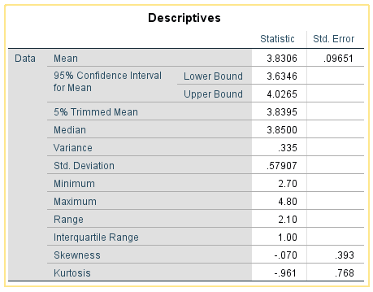
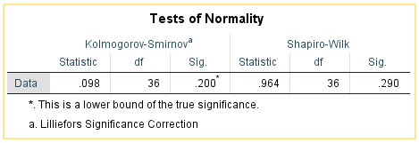
 | 9 | 3.3
 | 10 | 3.2
 | 11 | 4
 | 12 | 4.3
 | 13 | 3.9
 | 14 | 3.7
 | 15 | 3.9
 | 16 | 3.5
 | 17 | 4.2
 | 18 | 3.1
 | 19 | 2.7
 | 20 | 3.2
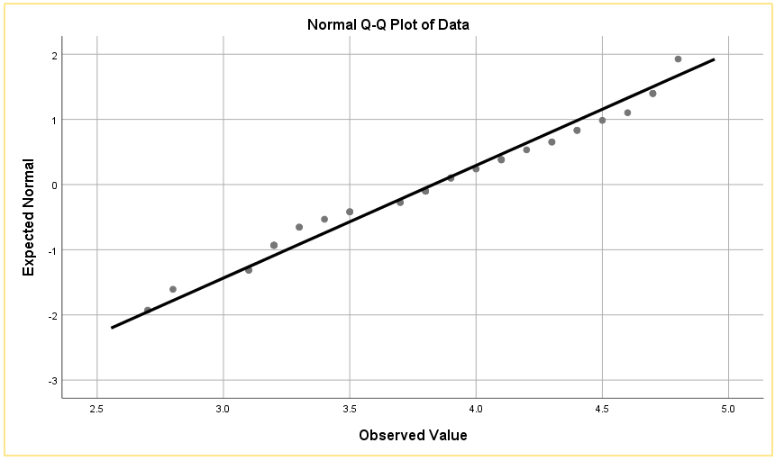
 | 21 | 4.4
 | 22 | 4.5
 | 23 | 4.7
 | 24 | 4.6
 | 25 | 4.8
 | 26 | 3.8
 | 27 | 3.3
 | 28 | 4.1
 | 29 | 3.5
 | 30 | 3.9
 | 31 | 4.7 |  | Decisions
 | 32 | 4.7
 | 33 | 3.1 |  | SPSS results suggest data from a normal distribution
 | 34 | 3.2
 | 35 | 4.1 |  | Skewness - approximately zero, therefor sample data symmetrically distributed
 | 36 | 3.8
 |  |  |  | Given sample size small (n<50) use Shapiro-Wilks test

 |  |  |  |  | Sig = 0.29 > 0.05, insufficient evidence to reject null hypothesis
 |  |  |  |  | Shapiro-Wilks test suggests sample data from a normal distribution

 |  |  |  | Normal Q-Q plot fairly linear - suggests data from a normal distribution

X3.17
X3.17

 | Binomial
 | n = | 4
 | p = | 0.6

 | (a) Calculate P(X=0, 1, 2, 3, 4) |  |  | (b) Histogram

Histogram for binomial probability distribution
 | X | P(X=r)
 | 0 | 0.0256 | =BINOM.DIST(B10,$C$4,$C$5,FALSE)
 | 1 | 0.1536
 | 2 | 0.3456
 | 3 | 0.3456
 | 4 | 0.1296 | =BINOM.DIST(B14,$C$4,$C$5,FALSE)

